About
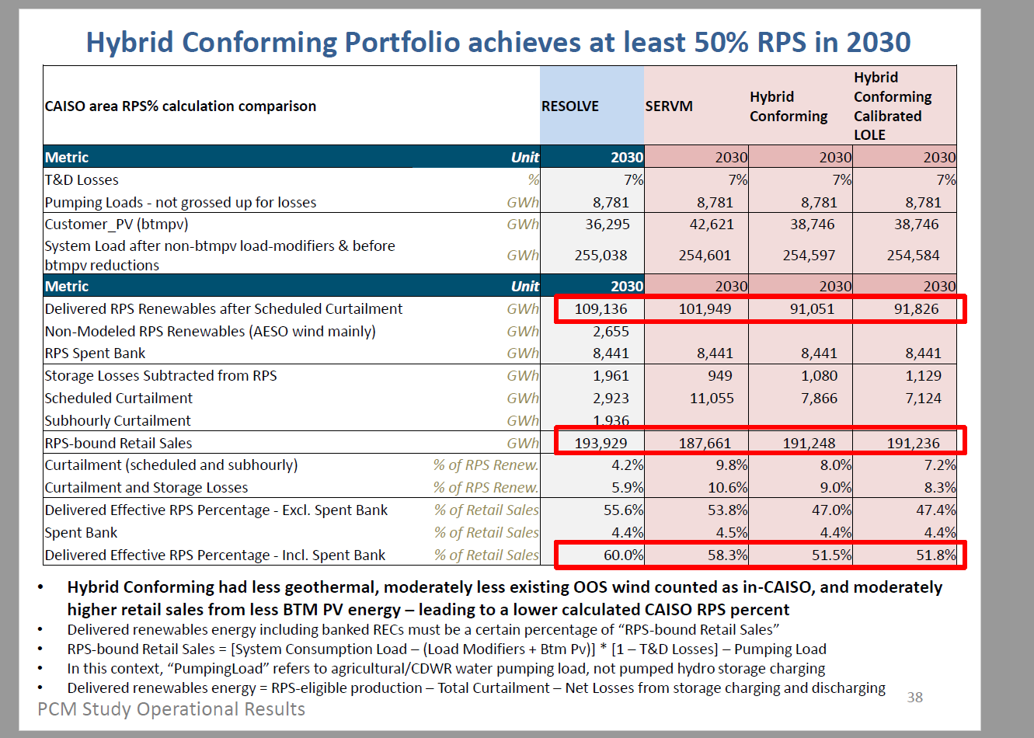
BTaDLP BAU Transmission and Distribution Loss Percentage
Oregon EPS assumes the same 7% average T&D loss as CA. US is very similar at 6.7%

Source: | California Public Utilities Commission
 | IRP Production Cost Modeling with the Reference System Plan and the 2017 IEPR: SERVM model results
 | 2018
 | http://www.cpuc.ca.gov/uploadedFiles/CPUCWebsite/Content/UtilitiesIndustries/Energy/EnergyPrograms/ElectPowerProcurementGeneration/DemandModeling/IRP_RSP_2017IEPR_SERVM_results_20180913.pdf

Notes
California average system losses for transmission and distribution estimated at 7% going forward during
the recent California Public Utiltities Commission analysis for long term planning.
0.07 | fractin of energy lost

Screenshot of presentation noting this shown below.

